Sheet1
Base Data | Data Set Type | Data Set Name
WRK_BAR_TRAIN_20150503 | Train | WRK_BAR_TRAIN_20150503_Train_60pc
WRK_BAR_TRAIN_20150503 | Validation | WRK_BAR_TRAIN_20150503_Validation_20pc
WRK_BAR_TRAIN_20150503 | Test | WRK_BAR_TRAIN_20150503_Test_20pc
DRV_BAR_TRAIN_20150505 | Train | DRV_BAR_TRAIN_20150505_Train_60pc
DRV_BAR_TRAIN_20150505 | Validation | DRV_BAR_TRAIN_20150505_Validation_20pc
DRV_BAR_TRAIN_20150505 | Test | DRV_BAR_TRAIN_20150505_Test_20pc

Training Set | Model | Validation set | Validation error | Test set | Test Error | Status
WRK_BAR_TRAIN_20150503_Train_60pc | SII regression | WRK_BAR_TRAIN_20150503_Validation_20pc |  | WRK_BAR_TRAIN_20150503_Test_20pc |  | KI=0.7275
WRK_BAR_TRAIN_20150503_Train_60pc | R lda | WRK_BAR_TRAIN_20150503_Validation_20pc |  | WRK_BAR_TRAIN_20150503_Test_20pc
WRK_BAR_TRAIN_20150503_Train_60pc | R rf | WRK_BAR_TRAIN_20150503_Validation_20pc |  | WRK_BAR_TRAIN_20150503_Test_20pc
WRK_BAR_TRAIN_20150503_Train_60pc | R gbm | WRK_BAR_TRAIN_20150503_Validation_20pc |  | WRK_BAR_TRAIN_20150503_Test_20pc
DRV_BAR_TRAIN_20150505_Train_60pc | SII regression | DRV_BAR_TRAIN_20150505_Validation_20pc |  | DRV_BAR_TRAIN_20150505_Test_20pc |  | Model had error messages saying it was a "suspicious model". KI = 0.4768
DRV_BAR_TRAIN_20150505_Train_60pc | R lda | DRV_BAR_TRAIN_20150505_Validation_20pc |  | DRV_BAR_TRAIN_20150505_Test_20pc
DRV_BAR_TRAIN_20150505_Train_60pc | R rf | DRV_BAR_TRAIN_20150505_Validation_20pc |  | DRV_BAR_TRAIN_20150505_Test_20pc
DRV_BAR_TRAIN_20150505_Train_60pc | R gbm | DRV_BAR_TRAIN_20150505_Validation_20pc |  | DRV_BAR_TRAIN_20150505_Test_20pc

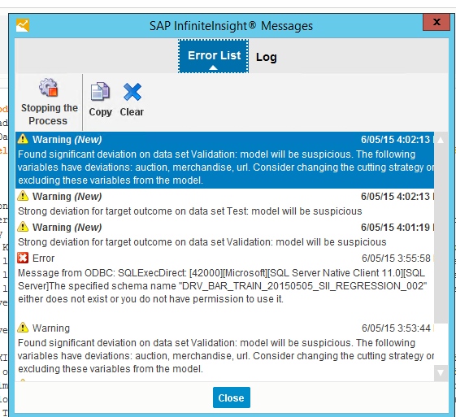
create model using training data.
Score validation set and make dataframe with (pred_mod1, pred_mod2, ...,truth_val)
build another prediction model using dataframe as input

